graph
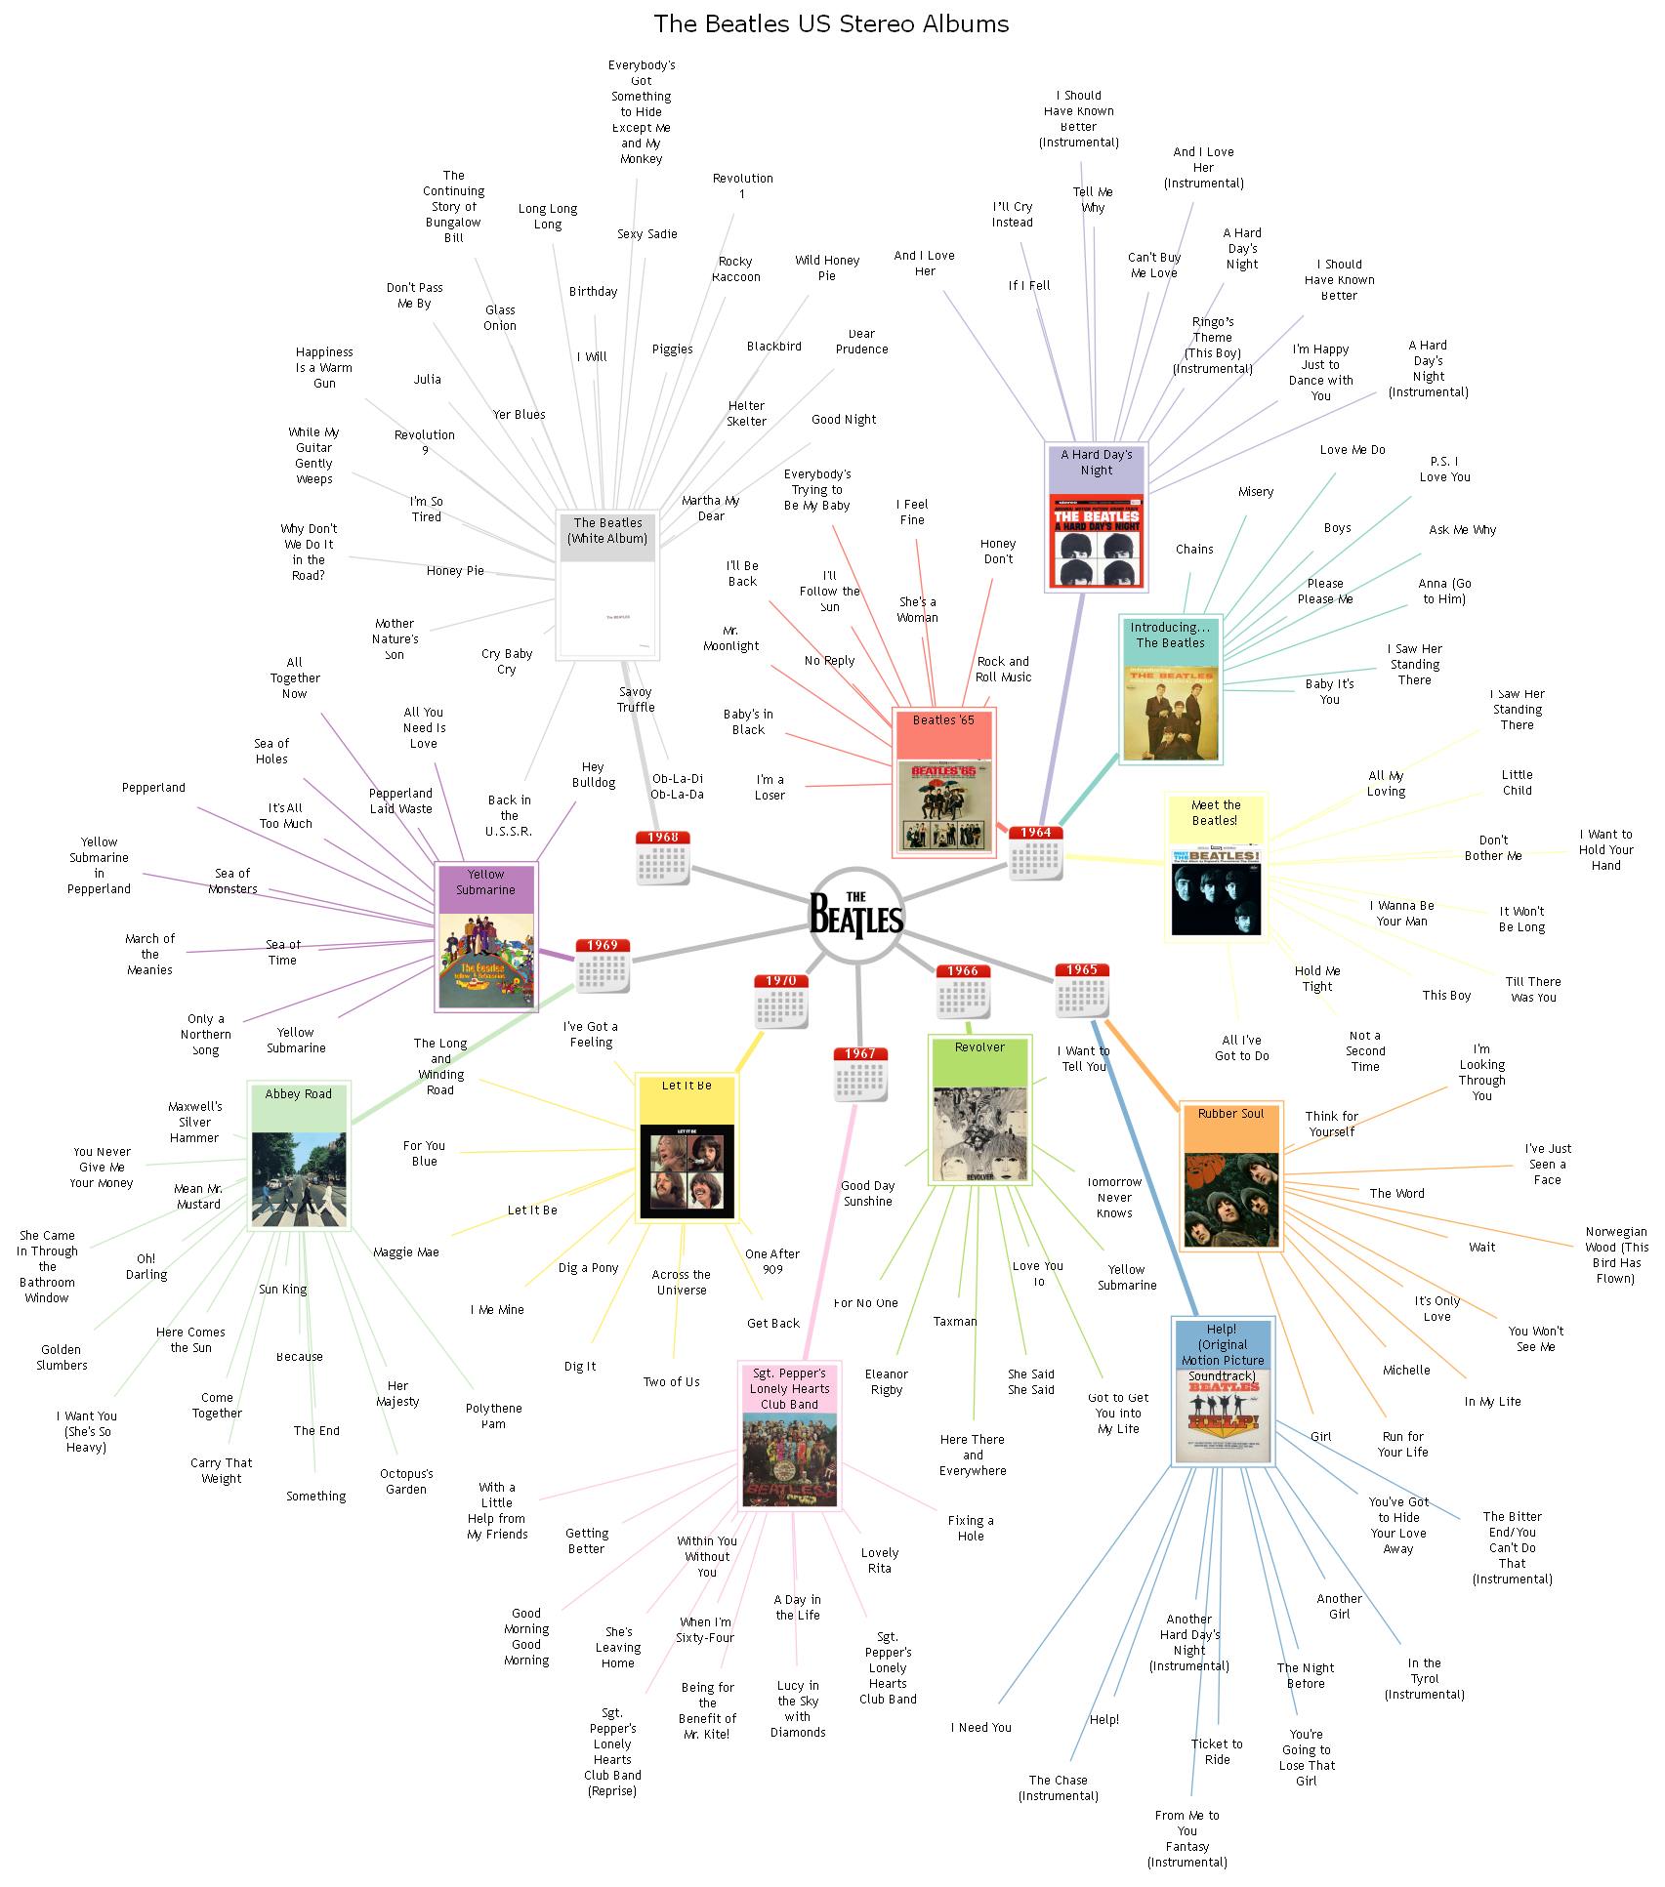

styles
Style Name | Format | Style Type | All Styles | No Clusters | No Edges
node |  | node | yes | yes | yes
edge | radius=9 | edge | yes | yes | no
subgraph-open |  | subgraph-open | yes | no | yes | 
subgraph-close |  | subgraph-close | yes | no | yes
keyword |  | keyword | yes | yes | yes
native |  | native | yes | yes | yes
Flow | colorscheme=set312 radius=9 arrowsize="0.5" fontname=Arial fontsize=10 | edge | yes | yes | no
Year Edge | arrowsize="0.5" fontname=Arial fontsize=10 color=Gray74 penwidth=4 fontname="Trebuchet MS" fontsize=10 | edge | yes | yes | no
Invisible Edge | style=invis color=Invis | edge | yes | yes | no
Invisible Point | shape=point height=0 width=0 fixedsize=True fillcolor=Invis color=Invis penwidth=0 style=filled | node | yes | yes | yes
Point | shape=point | node | yes | yes | yes
Album Image | colorscheme=set312 labelloc=top shape=box height="1.5" width=1 fixedsize=True penwidth=1 peripheries=2 fontname="Trebuchet MS" fontsize=10 imagescale=True imagepos=bc style="filled" fillcolor="white" | node | yes | yes | yes | 
Song Name | shape=plaintext fontname="Trebuchet MS" fontsize=10 margin="0.125" | node | yes | yes | yes
The Beatles Logo | labelloc=bottom shape=circle height=1 width=1 fixedsize=True color=Gray74 penwidth=4 peripheries=1 fontname="Trebuchet MS" fontsize=10 image="images\The_Beatles_logo.svg.png" imagescale=True imagepos=mc | node | yes | yes | yes | 
Year | labelloc=top shape=box height="0.625" width="0.625" fixedsize=True penwidth=0 fontname="Trebuchet MS Bold" fontsize=10 fontcolor=White image="images\calendar.png" imagescale=True | node | yes | yes | yes
⟳
Legend | labelloc=top shape=plaintext fontname=Verdana fontsize=18 | node | yes | yes | yes

style designer

Label: | The Beatles Logo
External Label:

Style Name: | The Beatles Logo

Format String: | labelloc=bottom shape=circle height=1 width=1 fixedsize=True color=Gray74 penwidth=4 peripheries=1 fontname="Trebuchet MS" fontsize=10 image="images\The_Beatles_logo.svg.png" imagescale=True imagepos=mc

